How to use
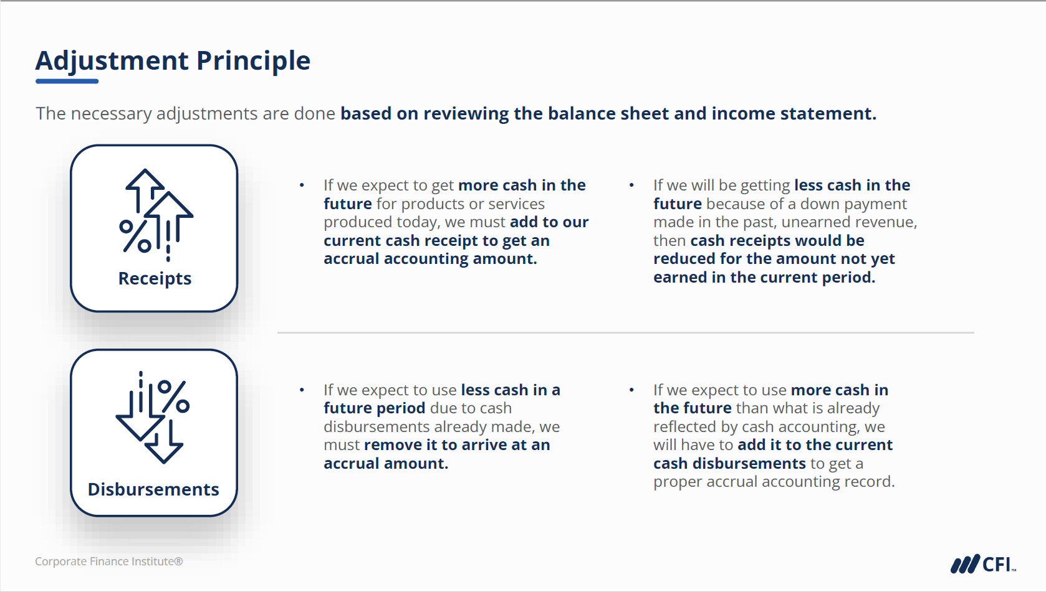

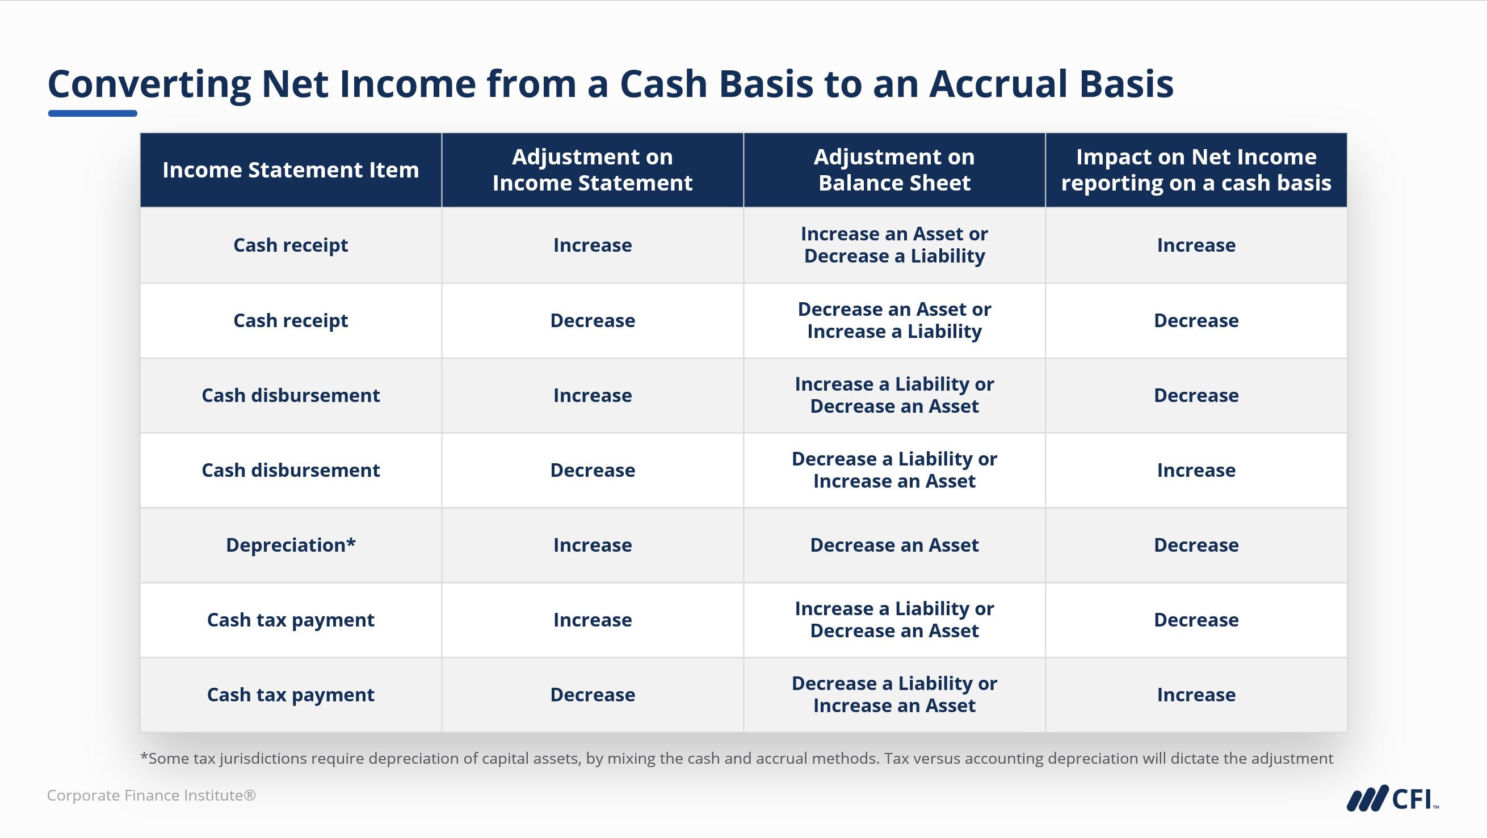

Apply the adjustment principle - typical conversions are outlined in the slides above.

1. Start by entering cash-based financial information (balance sheet and income statement) into columns E and H.
2. Determine accrual adjustments for the various balance sheet accounts, insert adjustments into columns F and I.
3. Match the net adjustments within column K of the balance sheet with column I of the income statement.*
* Note - multiple balance sheet items may match to a single income statement entry.

